1. MySQL
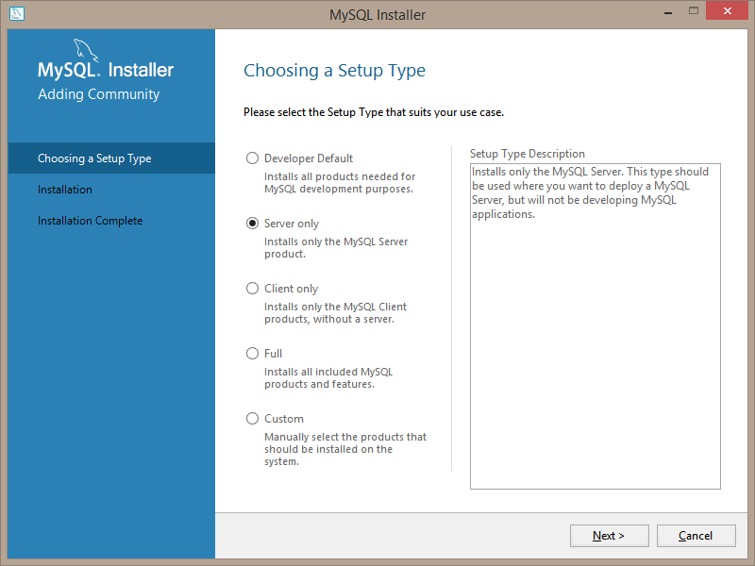
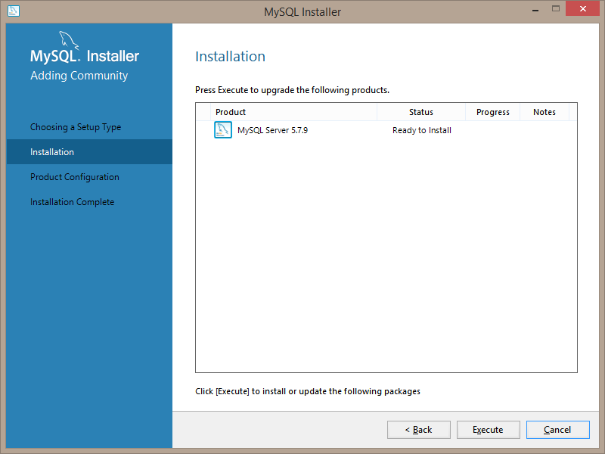
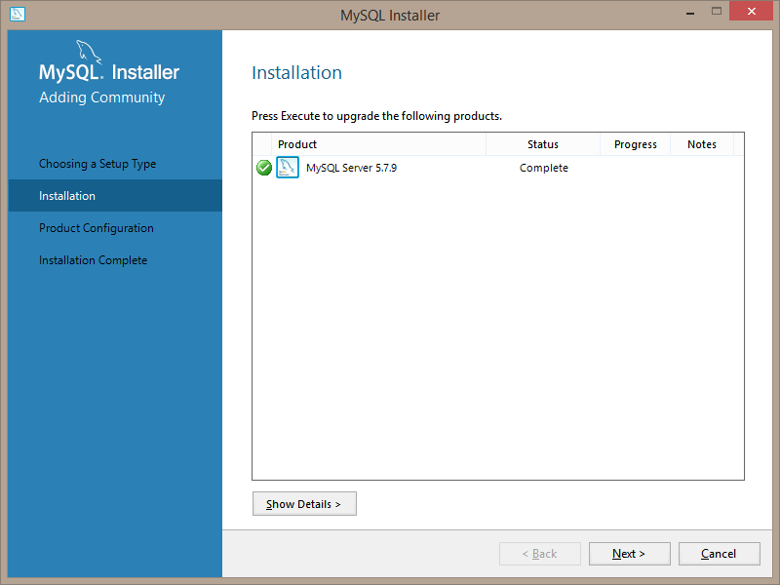
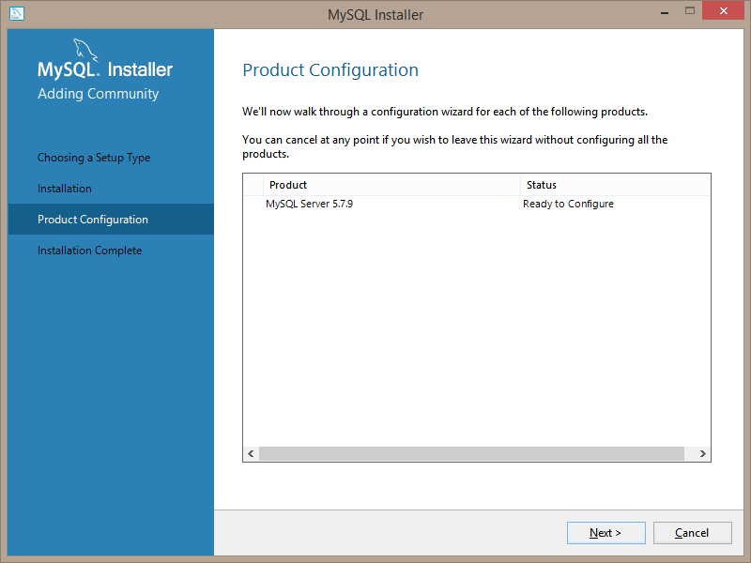
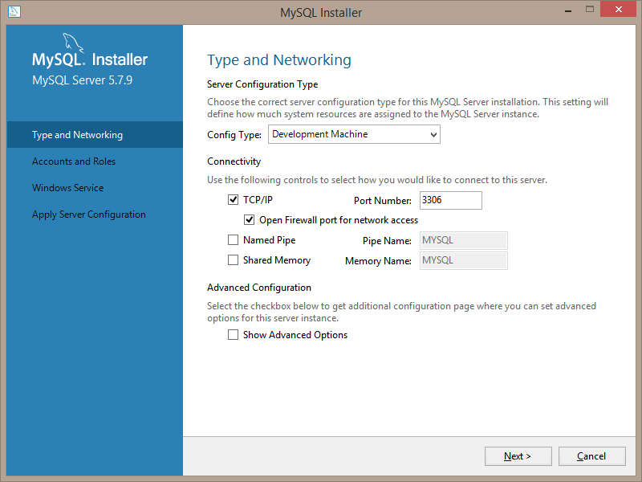
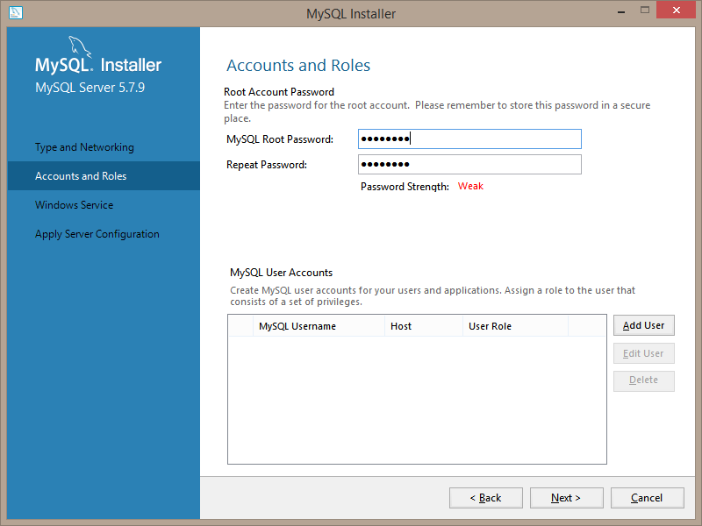
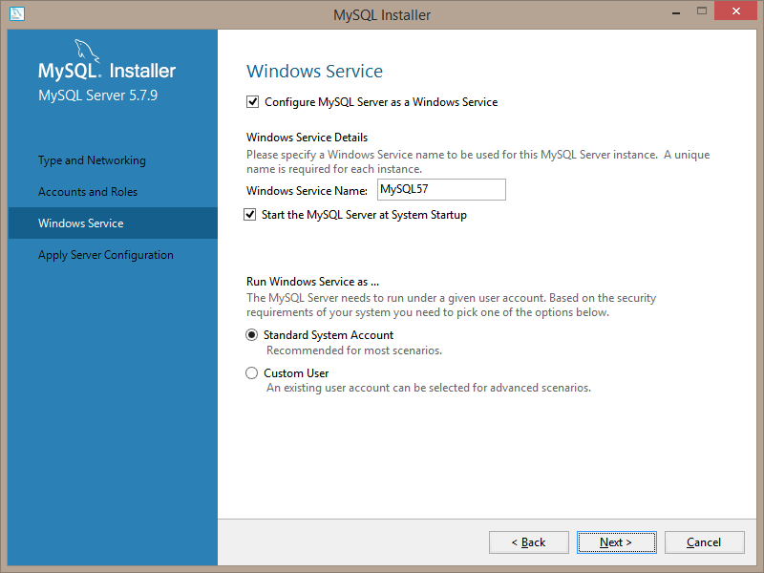
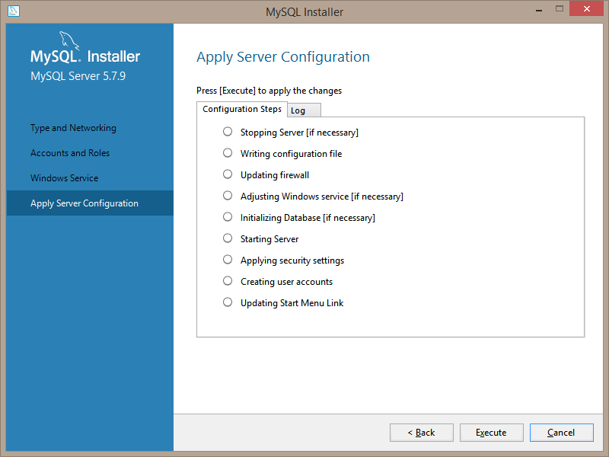
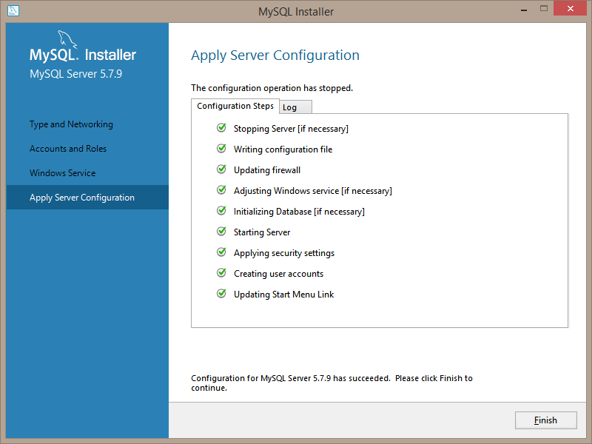

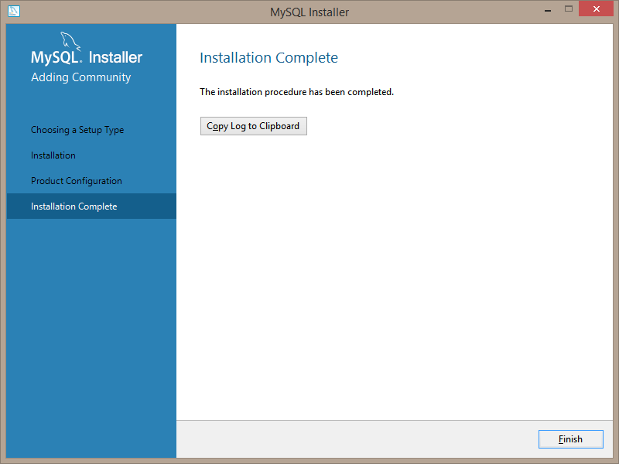
http://dev.mysql.com/downloads/

2. Database Setup
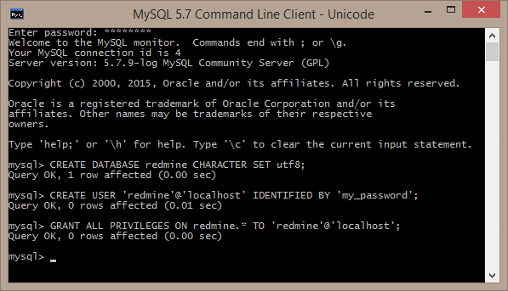
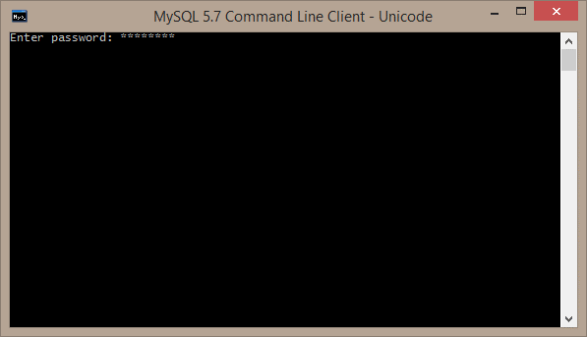

CREATE DATABASE redmine CHARACTER SET utf8;
CREATE USER 'redmine'@'localhost' IDENTIFIED BY 'password';
GRANT ALL PRIVILEGES ON redmine.* TO 'redmine'@'localhost';

3. Ruby & Rails
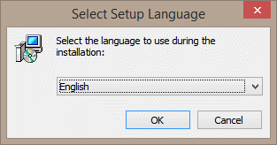
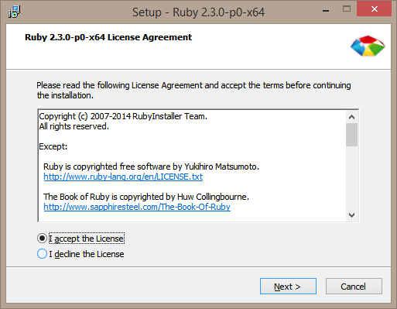
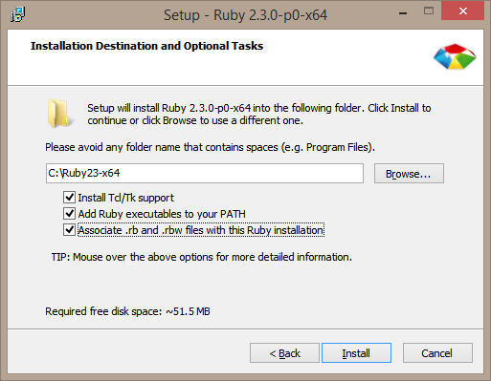
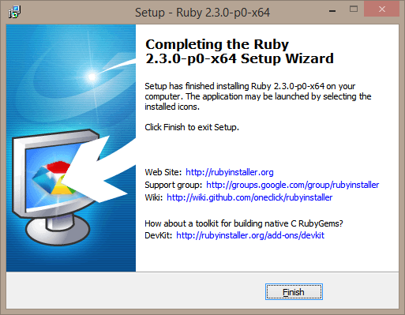
http://rubyinstaller.org/

4. ImageMagick
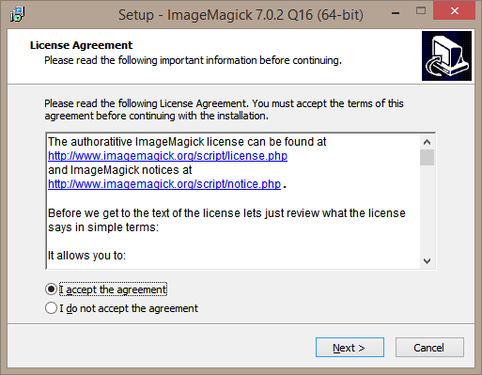
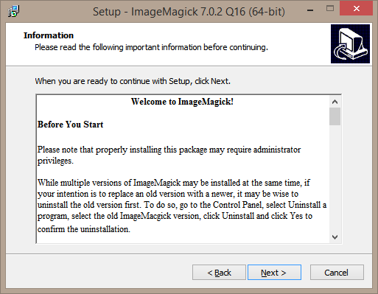
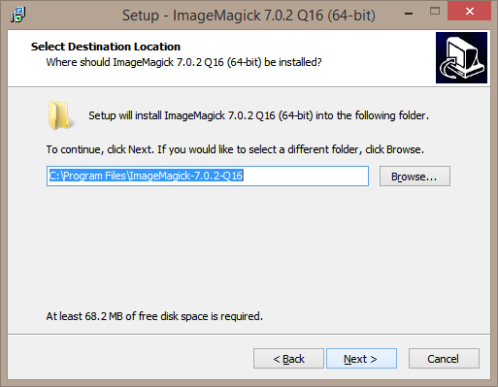
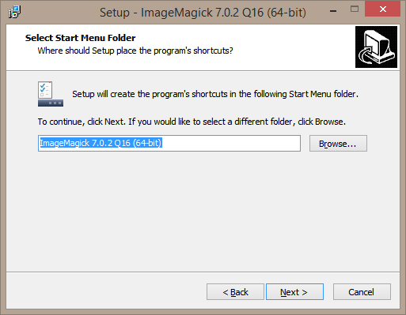
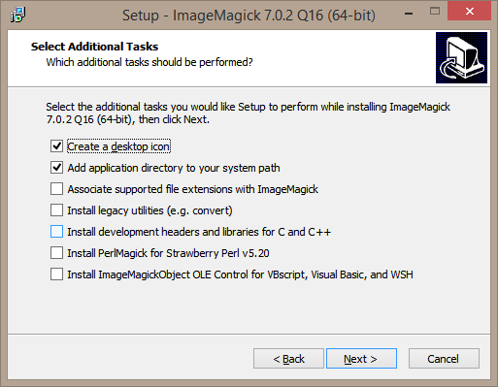
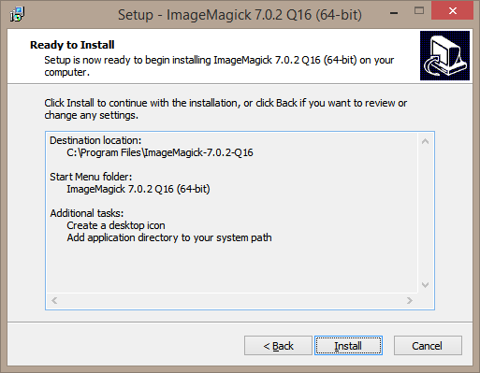
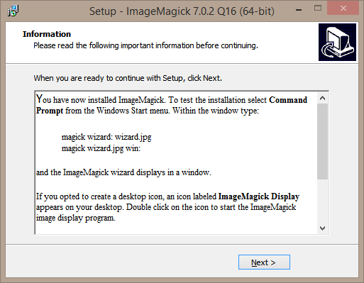
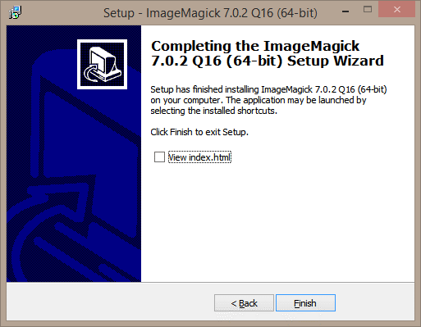
http://www.imagemagick.org/script/binary-releases.php

5. Redmine
1. Create folder named www on C:\

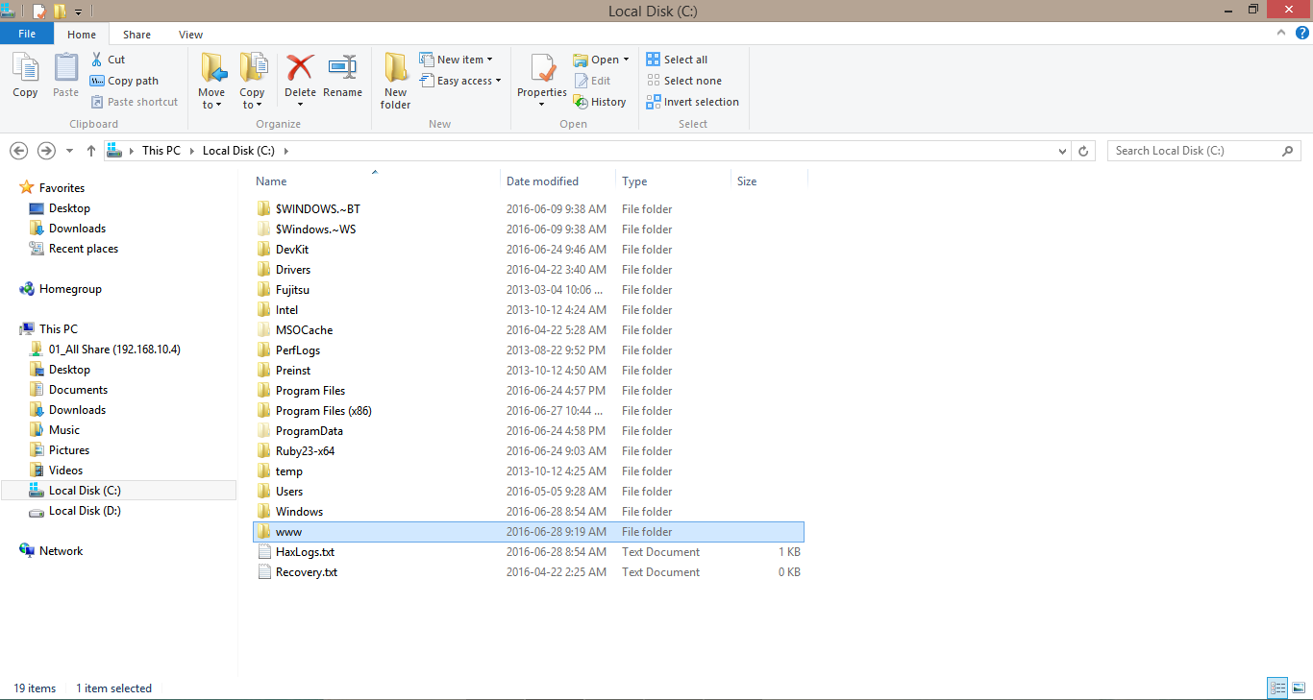

Before you set up redmine, you must install Ruby and Rails and Database server.

2. In www folder, extract downloaded redmine zip folder

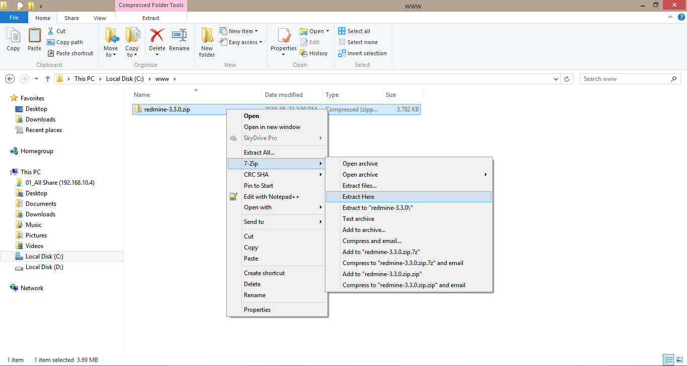

3. Rename database.yml.example to database.yml

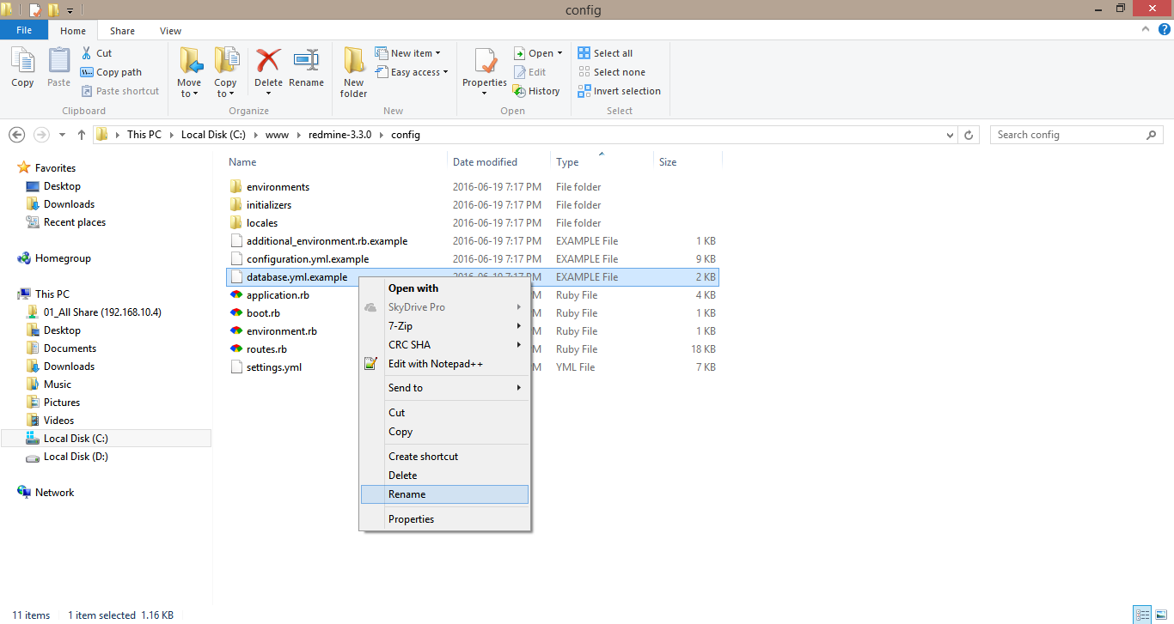

4. Edit database.yml with respect to your database settings

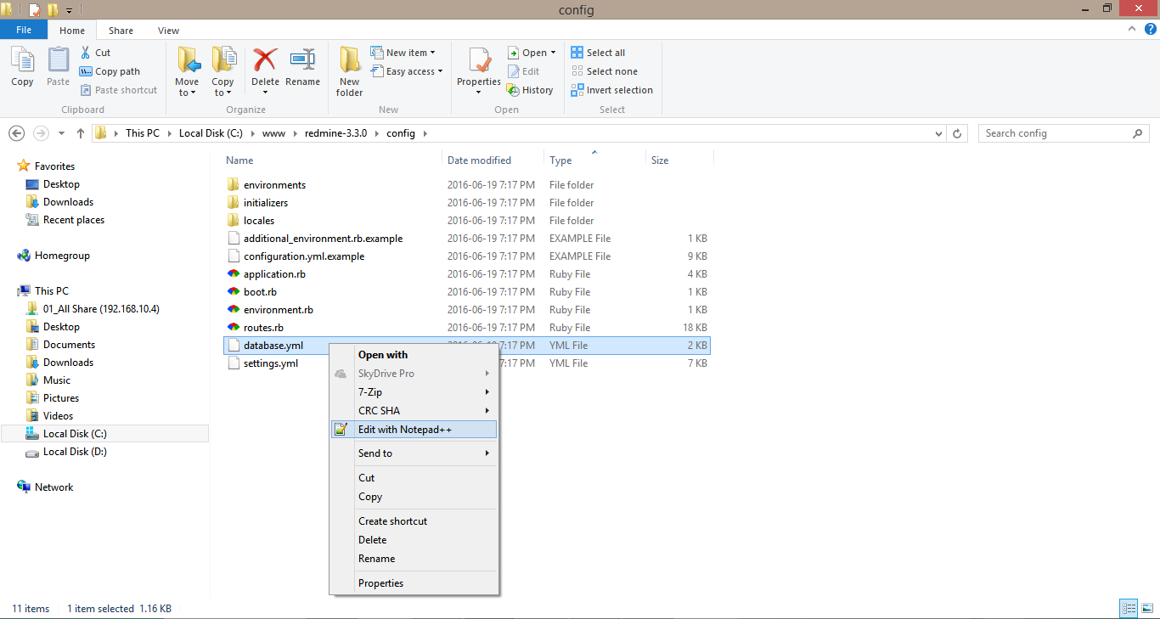

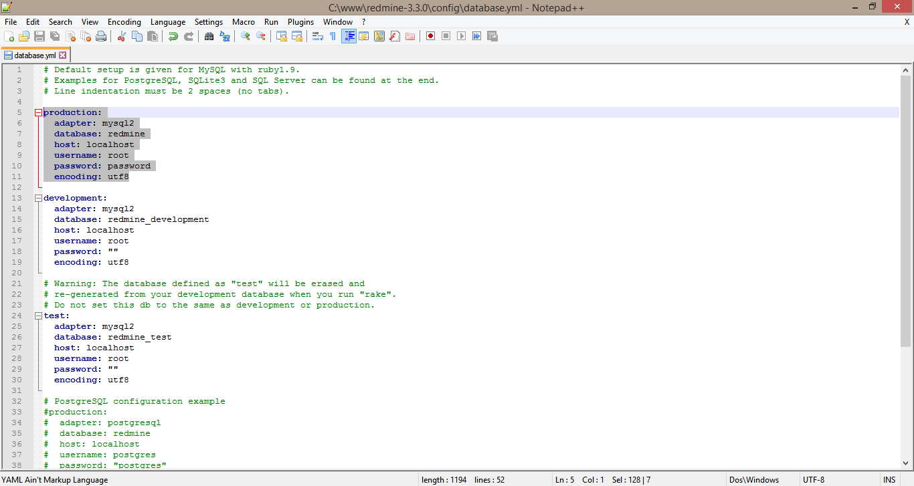

5. In redmine folder, Shift + Right Click and go to Open command window here

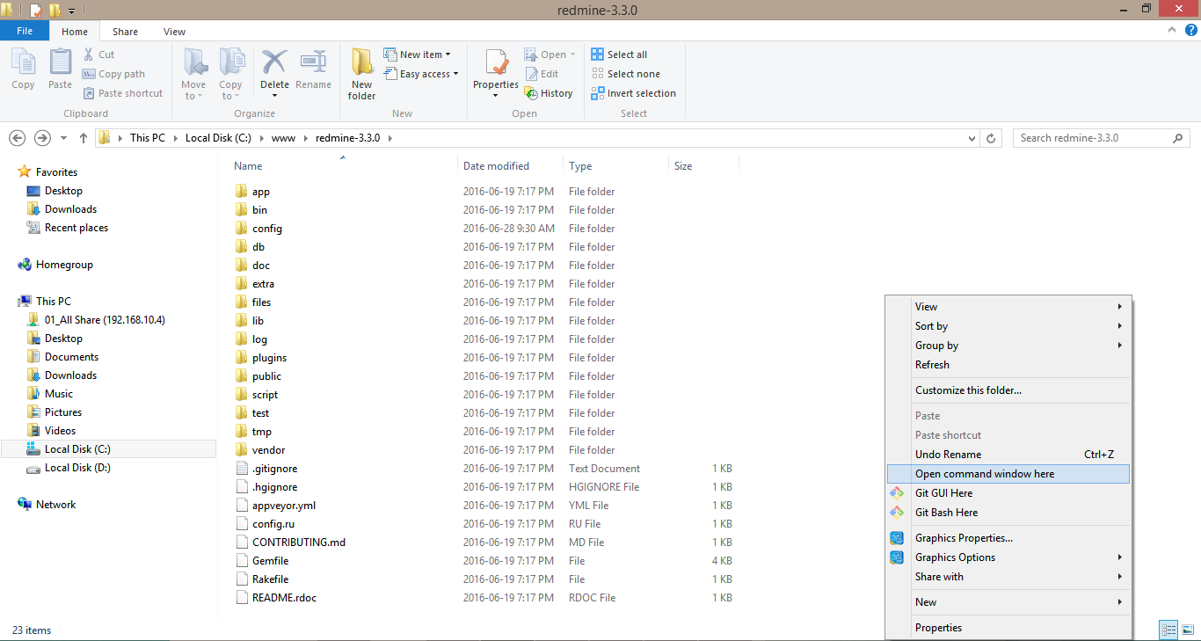

6. gem install bundler

7. bundle install --without development test rmagick

8. bundle exec rake generate_secret_token

9. set RAILS_ENV=production bundle exec rake db:migrate

10. set RAILS_ENV=production set REDMINE_LANG=fr bundle exec rake redmine:load_default_data

11. Run redmine with command (bundle exec rails server webrick -e production)

12. Go to browser and link localhost:3000

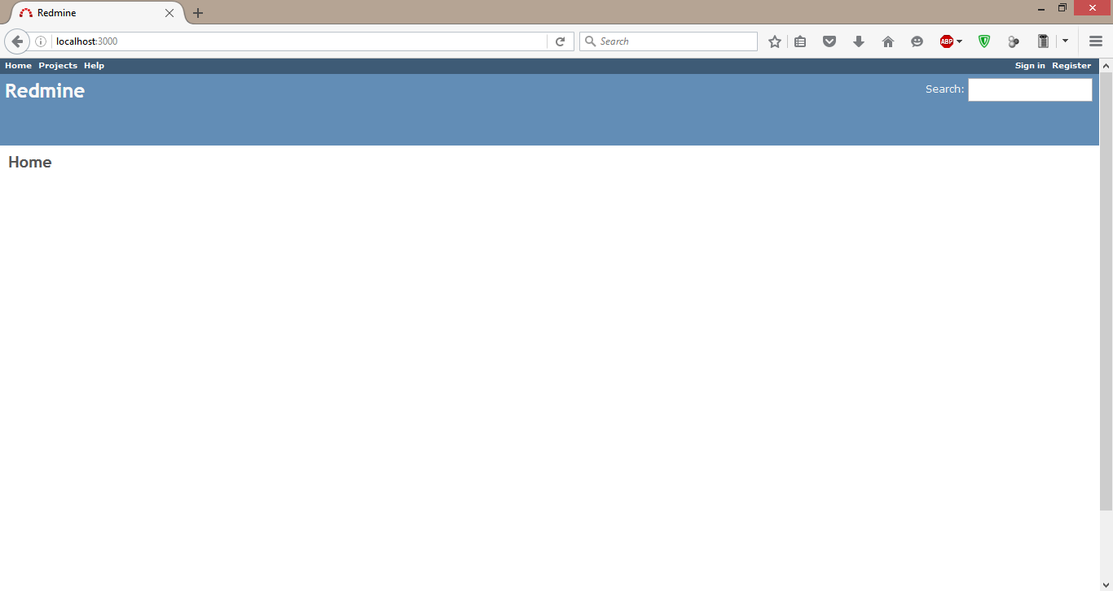

If you want to shutdown redmine, go back to command and press Ctrl + C

